Summary Tab
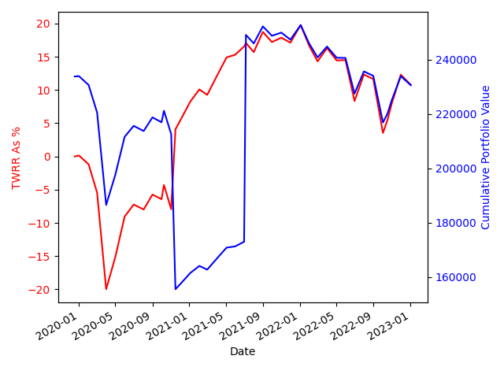
Total Portfolio Return | Total Amount Invested | End Portfolio Value | Charges Deducted
10.78% | £309,372.07 | £230,568.15 | £7,509.93

